Foglio1
Product | Quantity | Illustration | Price Range | Link
DC Motor with Encoder and Wheel JGA25-370 DC 12 V 170 RPM | 2 | 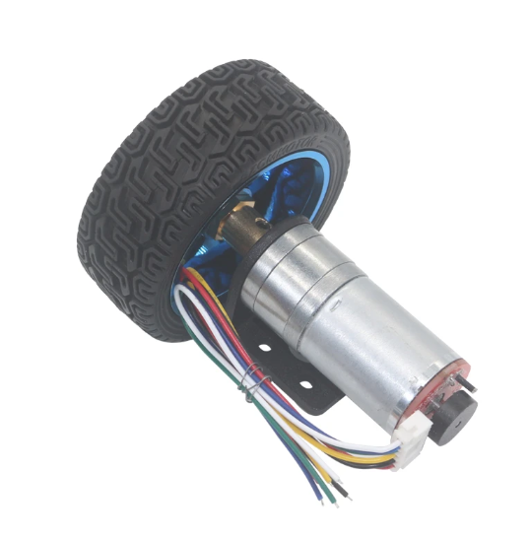 | 15€ - 20€ | Aliexpress Amazon
Caster Wheel 30mm Diameter (1.25'') | 1 | 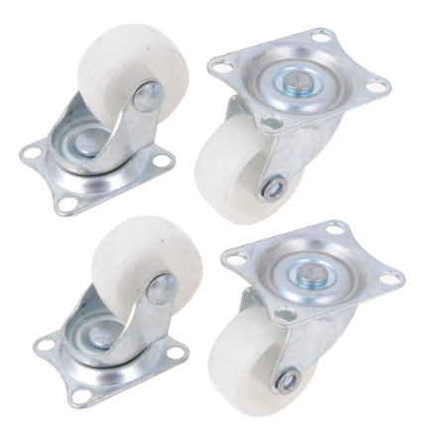 | 2€ - 5€ | Aliexpress Amazon
M3 45mm - brass standoff female to female | 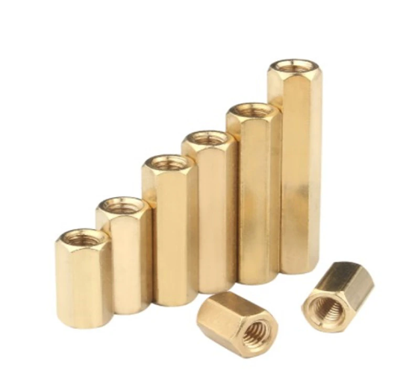 14 |  | 5€ - 10€ | Aliexpress Amazon
M3 7mm - brass standoff female to female | 4 |  | 5€ - 10€ | Aliexpress Amazon
IMU MPU6050 | 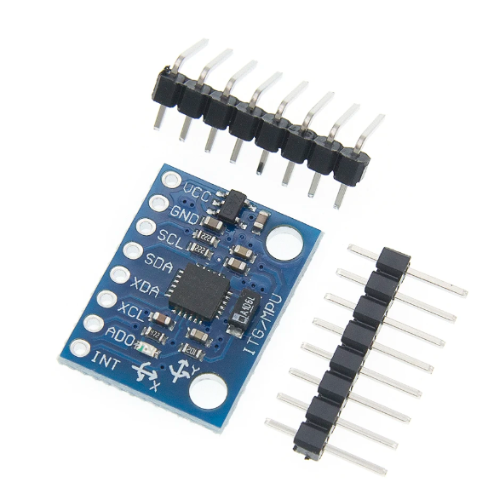 1 |  | 1€ - 2€ | Aliexpress Amazon
DC Motor Controller L298N | 1 | 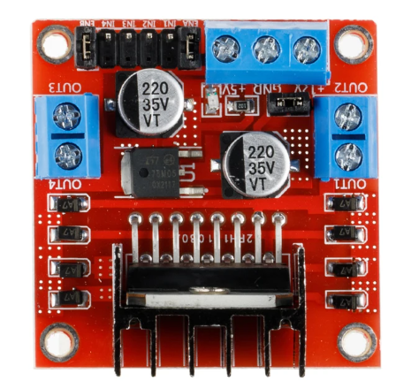 | 3€ - 5€ | Aliexpress Amazon
DC-DC Converter LM2596s | 1 | 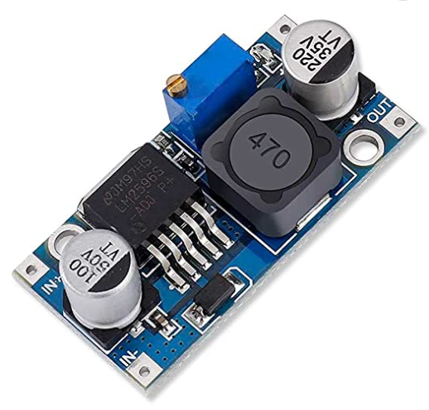 | 0.5€ - 2€ | Aliexpress Amazon
Arduino Nano | 1 | 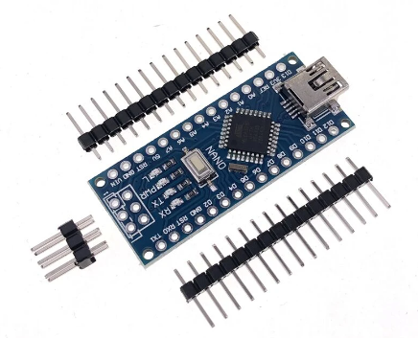 | 5€ - 10€ | Aliexpress Amazon
Raspberry Pi 4 or 5 | 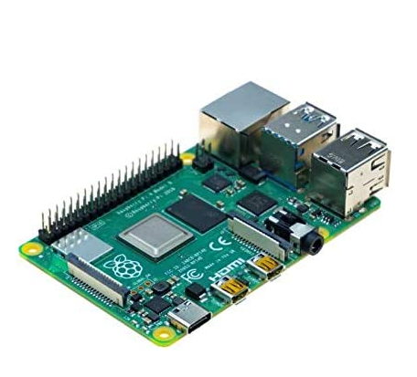 1 |  | 70€ - 100€ | Aliexpress Amazon
Lipo Battery 3S 11,1 V 3300mAh, XT60 | 1 | 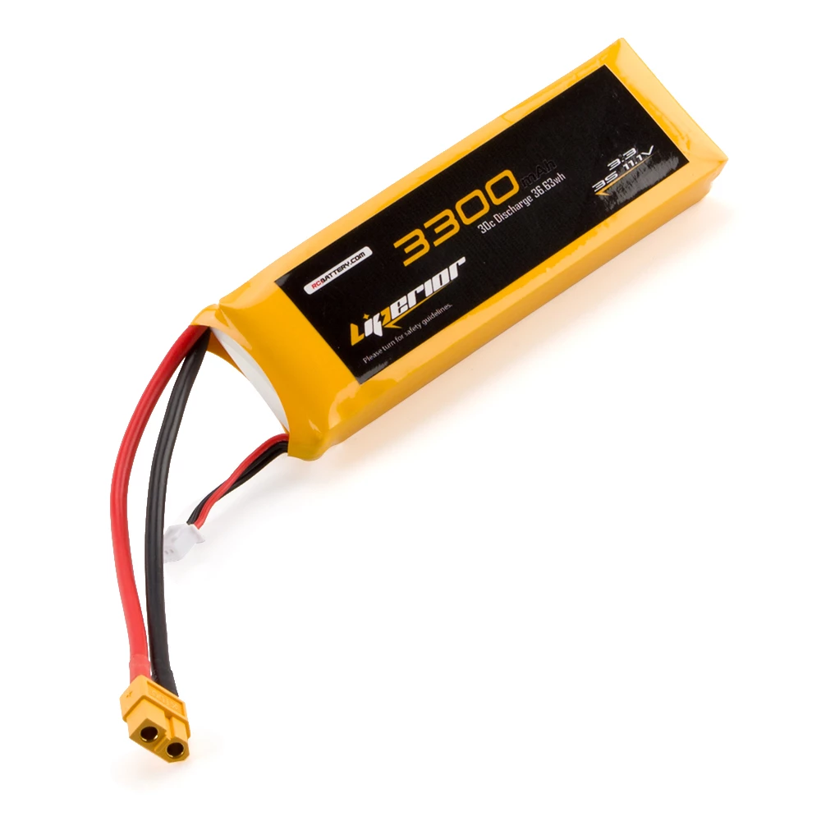 | 10€ - 15€ | Aliexpress
XT60 Female Connector | 1 | 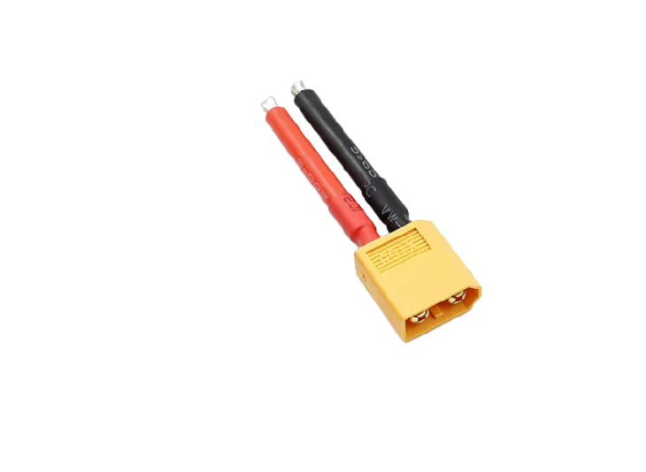 | 2€ - 5€
Jumper Cables | 11 | 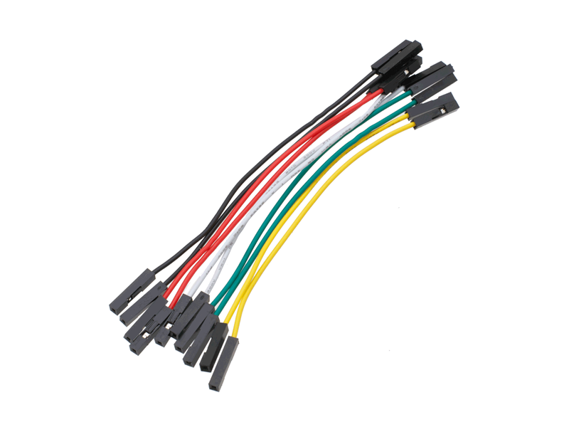 | 2€ - 5€
Type C Cable Male - 2 Pin | 1 | 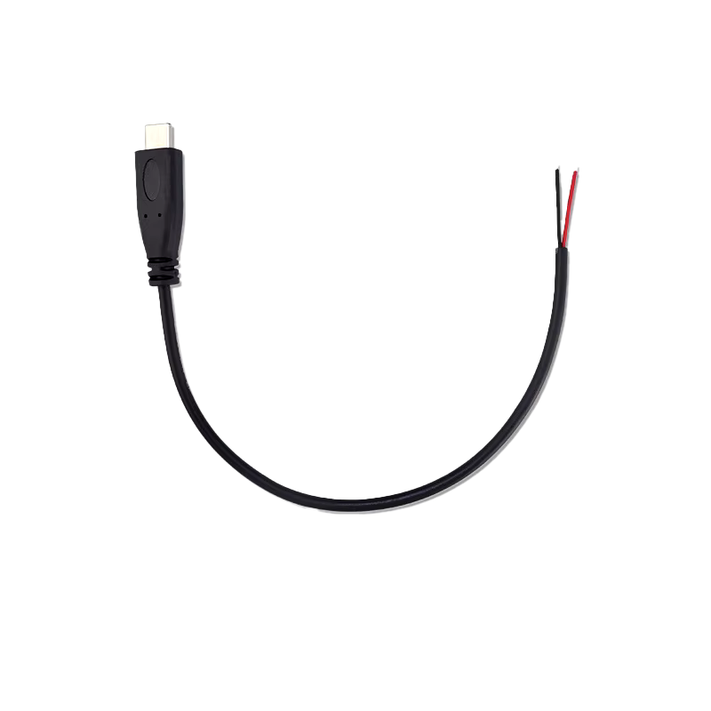 | 2€ - 5€
Mini USB Cable | 1 | 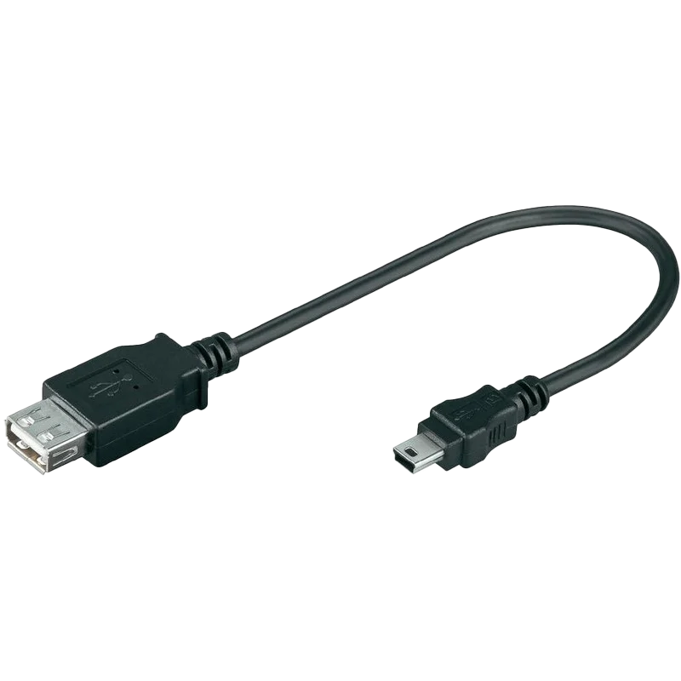 | 2€ - 5€
M3 Screws 6mm | 12 | 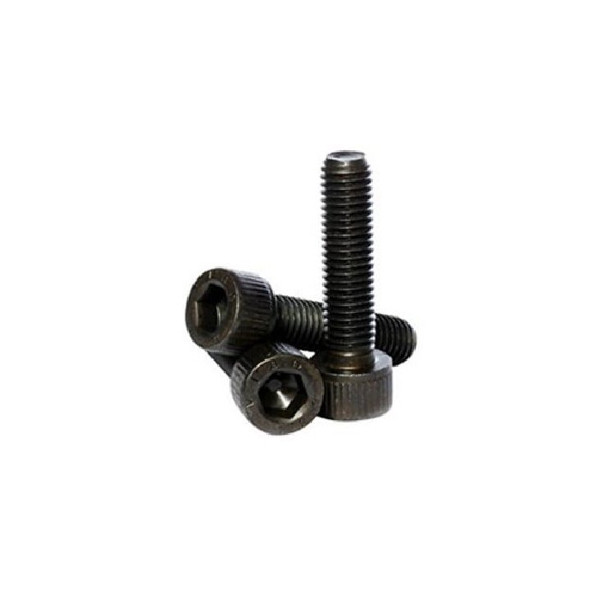 | 2€ - 5€
M3 Screws 8mm | 28 |  | 2€ - 5€
M3 Screws 45mm | 4 |  | 2€ - 5€
M3 Nuts | 16 | 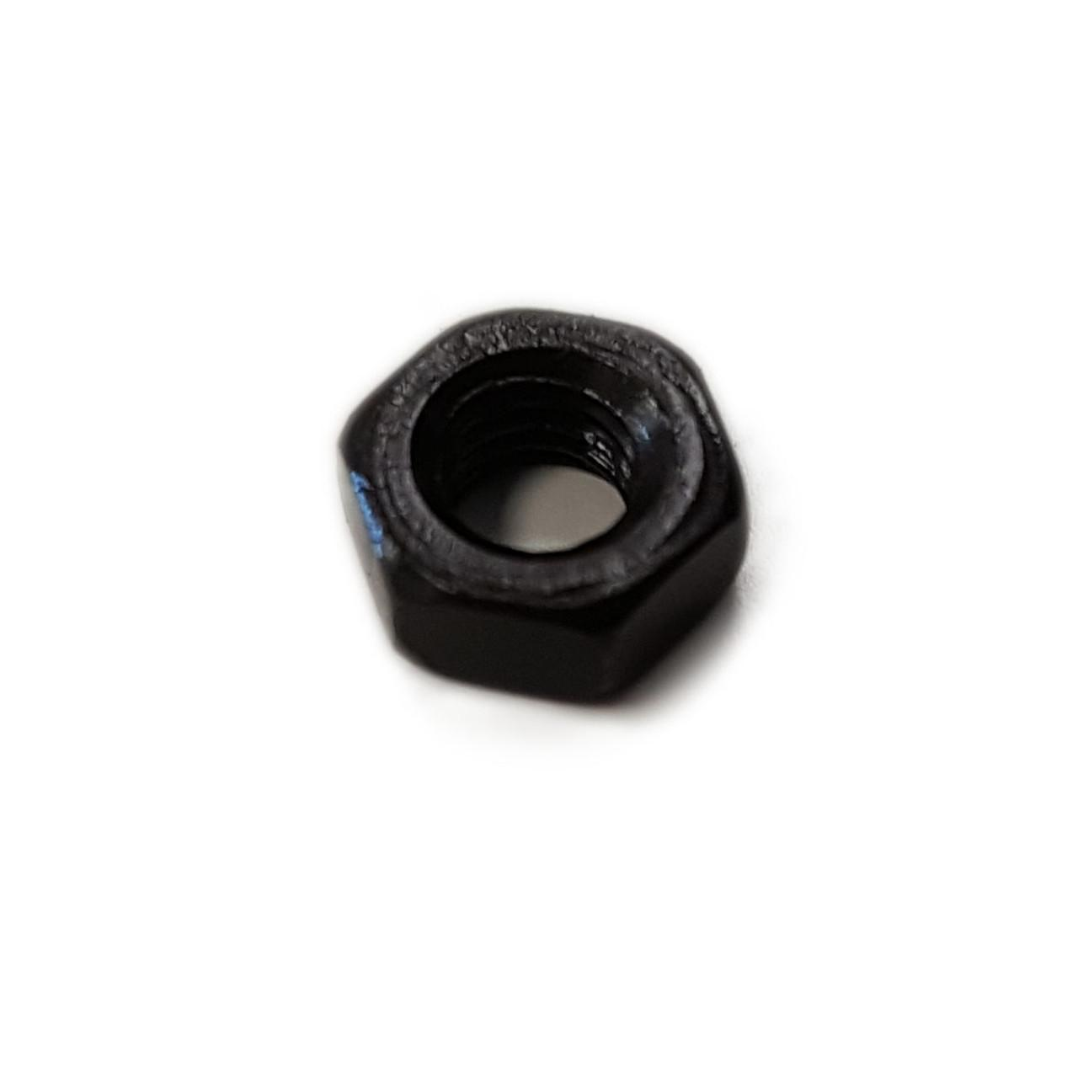 | 2€ - 5€
Waffle Base | 1 | 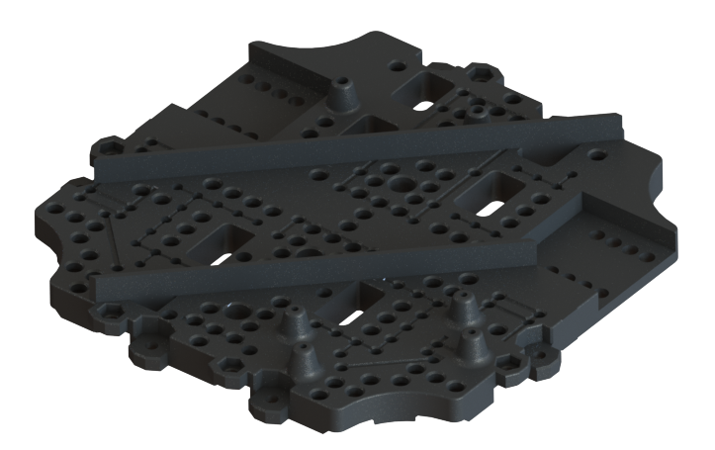 | N/A | STL Part
Waffle Middle | 1 | 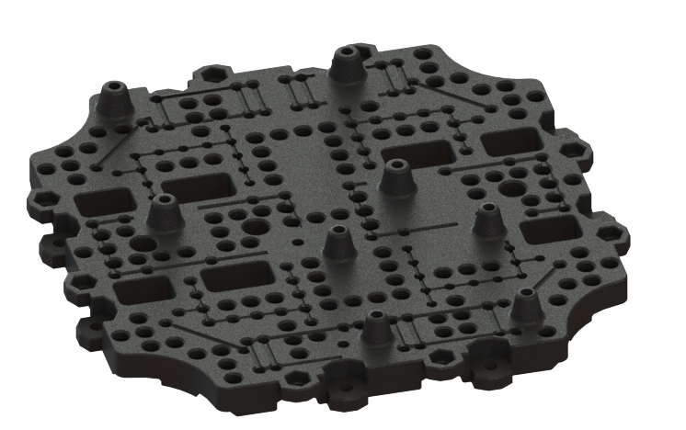 | N/A | STL Part
Waffle Roof | 1 | 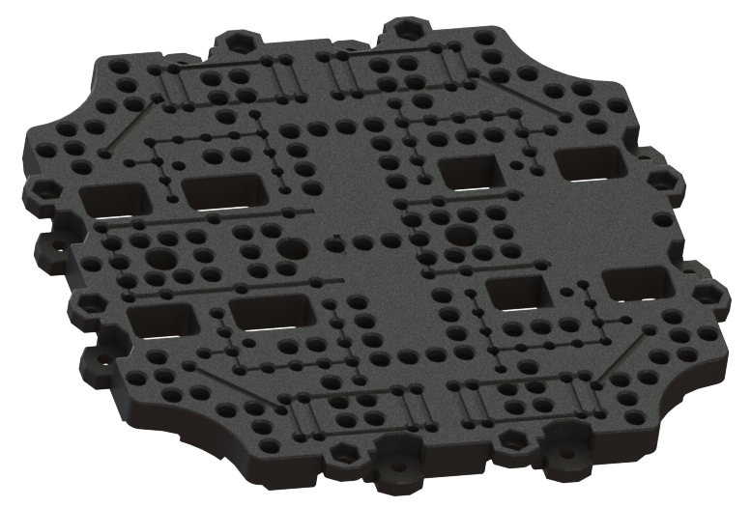 | N/A | STL Part

